Sentiment distibution optimized
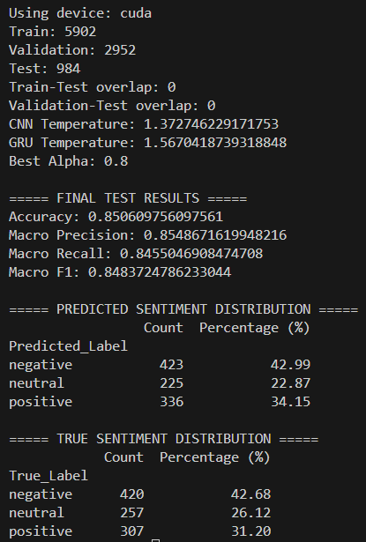
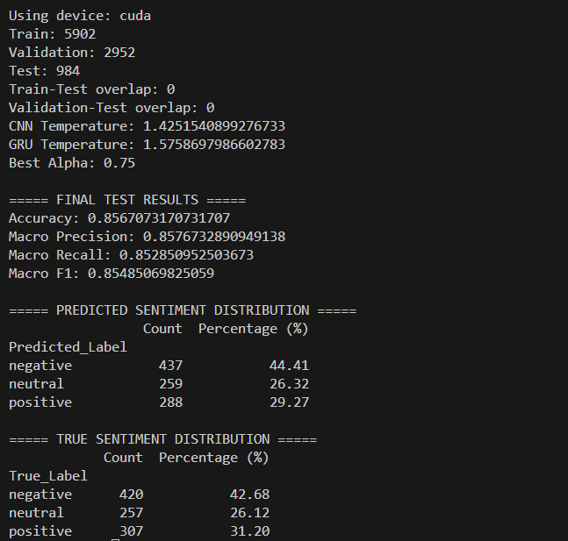
Standardization | ensemble voting / model | Sentiment | Model_Count | Model_Percentage
Train/Validate/Calibrate/test = 60/20/10/10 epoch = 5 batch size = 32 grid-search alpha = 0.85 | Ensemble Voting + Temperature Calibration + Alpha Grid Search NLP + GRU BERT + CNN 4-way split | negative | 423 | 42.99 | 10
 |  | neutral | 249 | 25.3
 |  | positive | 312 | 31.71
Train/Validate/Calibrate/test = 60/20/10/10 epoch = 6 batch size = 32 grid-search alpha = 1 |  | negative | 425 | 43.19
 |  | neutral | 269 | 27.34
 |  | positive | 290 | 29.47
Train/Validate/Calibrate/test = 60/20/10/10 epoch = 7 batch size = 32 grid-search alpha = 0.65 |  | negative | 432 | 43.9
 |  | neutral | 241 | 24.49
 |  | positive | 311 | 31.61
Train/Validate/Calibrate/test = 60/20/10/10 epoch = 8 batch size = 32 grid-search alpha = 0.85 |  | negative | 423 | 42.99
 |  | neutral | 271 | 27.54
 |  | positive | 290 | 29.47
Train/Validate/Calibrate/test = 60/20/10/10 epoch = 9 batch size = 32 grid-search alpha = 0.8 |  | negative | 422 | 42.89
 |  | neutral | 226 | 22.97
 |  | positive | 336 | 34.15
Train/Validate/Calibrate/test = 60/20/10/10 epoch = 10 batch size = 32 grid-search alpha = 0.8 |  | negative | 436 | 44.31
 |  | neutral | 272 | 27.64
 |  | positive | 276 | 28.05
Train/Validate/Calibrate/test = 60/20/10/10 epoch = 5 batch size = 32 grid-search alpha= 0.8 | Ensemble Voting + Temperature Calibration + Alpha Grid Search NLP + GRU BERT + LSTM 4-way split | negative | 438 | 44.51 | 9
 |  | neutral | 226 | 22.97
 |  | positive | 320 | 32.52
Train/Validate/Calibrate/test = 60/20/10/10 epoch = 6 batch size = 32 grid-search alpha= 0.9 |  | negative | 409 | 41.57
 |  | neutral | 238 | 24.19
 |  | positive | 337 | 34.25
Train/Validate/Calibrate/test = 60/20/10/10 epoch = 7 batch size = 32 grid-search alpha= 0.8 |  | negative | 451 | 45.83
 |  | neutral | 260 | 26.42
 |  | positive | 273 | 27.74
Train/Validate/Calibrate/test = 60/20/10/10 epoch = 8 batch size = 32 grid-search alpha= 0.7 |  | negative | 403 | 40.96
 |  | neutral | 273 | 27.74
 |  | positive | 273 | 31.3
Train/Validate/Calibrate/test = 60/20/10/10 epoch = 9 batch size = 32 grid-search alpha= 0.8 |  | negative | 455 | 46.24
 |  | neutral | 237 | 24.09
 |  | positive | 292 | 29.67
Train/Validate/Calibrate/test = 60/20/10/10 epoch = 10 batch size = 32 grid-search alpha= 0.7 |  | negative | 453 | 46.04
 |  | neutral | 230 | 23.37
 |  | positive | 301 | 30.59

Train loss & Validation loss
 | NLP + GRU |  |  | BERT + CNN |  |  |  | BERT + LSTM

Total_Epochs | Epoch | Train_Loss | Validation_Loss | Total_Epochs | Epoch | Train_Loss | Validation_Loss | Total_Epochs | Epoch | Train_Loss | Validation_Loss
5 | 1 | 1.023653096 | 0.949603754 | 5 | 1 | 0.979167338 | 0.883411754 | 5 | 1 | 0.985743758 | 0.878390855
 | 2 | 0.84446319 | 0.90934483 |  | 2 | 0.811060804 | 0.841155018 |  | 2 | 0.807490944 | 0.839905022
 | 3 | 0.645135002 | 0.902240744 |  | 3 | 0.632565264 | 0.841736164 |  | 3 | 0.617042434 | 0.860144359
 | 4 | 0.424966472 | 0.990473936 |  | 4 | 0.426905684 | 0.945604083 |  | 4 | 0.433651962 | 1.041572599
 | 5 | 0.231853018 | 1.35932166 |  | 5 | 0.248476304 | 1.18575723 |  | 5 | 0.276309111 | 1.183171434
6 | 1 | 1.024495059 | 0.950120464 | 6 | 1 | 0.987414446 | 0.921026063 | 6 | 1 | 0.973284569 | 0.867496795
 | 2 | 0.843759128 | 0.91270291 |  | 2 | 0.820143481 | 0.88297307 |  | 2 | 0.796459771 | 0.827320735
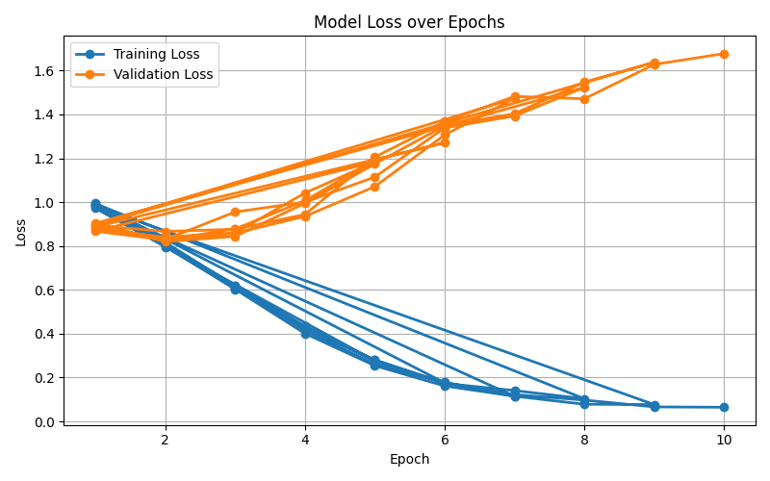
 | 3 | 0.649361987 | 0.958819701 |  | 3 | 0.643587649 | 0.849762384 |  | 3 | 0.604559982 | 0.87787463
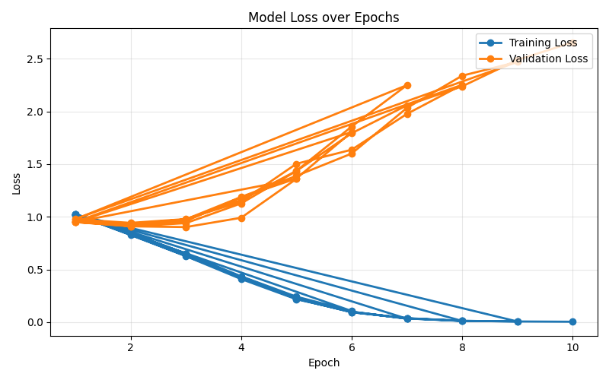
 | 4 | 0.435084015 | 1.185192978 |  | 4 | 0.437886278 | 0.972063165 |  | 4 | 0.42380995 | 1.00621366
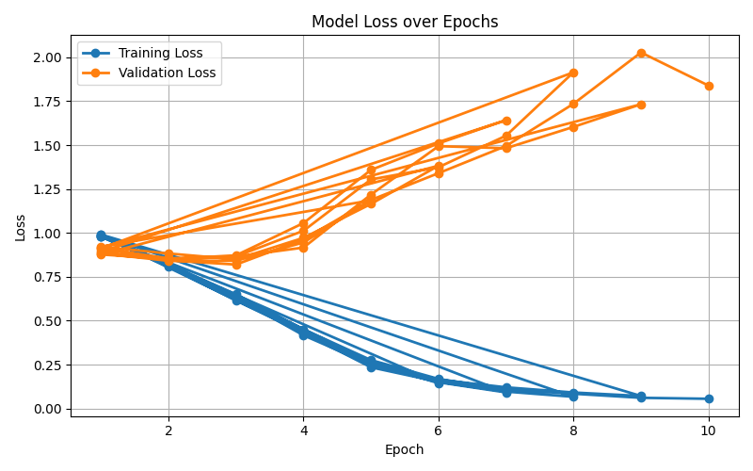
 | 5 | 0.24182066 | 1.363106962 |  | 5 | 0.260669772 | 1.165140864 |  | 5 | 0.280667024 | 1.192358585
 | 6 | 0.105827623 | 1.803935533 |  | 6 | 0.144284227 | 1.382953402 |  | 6 | 0.175780955 | 1.271021078
7 | 1 | 1.019179665 | 0.948538691 | 7 | 1 | 0.982708225 | 0.877433537 | 7 | 1 | 0.995835157 | 0.887227767
 | 2 | 0.830563988 | 0.932735449 |  | 2 | 0.81736879 | 0.851098226 |  | 2 | 0.816460629 | 0.823343111
 | 3 | 0.626682089 | 0.97545616 |  | 3 | 0.632063348 | 0.872437649 |  | 3 | 0.617913345 | 0.858478121
 | 4 | 0.409137886 | 1.159069485 |  | 4 | 0.417026189 | 1.056222663 |  | 4 | 0.415851872 | 0.935082808
 | 5 | 0.21720574 | 1.435218271 |  | 5 | 0.249072157 | 1.359060234 |  | 5 | 0.260323794 | 1.070834072
 | 6 | 0.099652107 | 1.855789628 |  | 6 | 0.149413161 | 1.509993428 |  | 6 | 0.179084488 | 1.306497269
 | 7 | 0.032634202 | 2.248742066 |  | 7 | 0.091913842 | 1.642262268 |  | 7 | 0.114124476 | 1.472543856
8 | 1 | 1.022328974 | 0.97612302 | 8 | 1 | 0.979115315 | 0.892996418 | 8 | 1 | 0.983677118 | 0.89697101
 | 2 | 0.846491624 | 0.942106823 |  | 2 | 0.808183258 | 0.847101242 |  | 2 | 0.810271799 | 0.829679951
 | 3 | 0.649895503 | 0.978030281 |  | 3 | 0.614616239 | 0.866311924 |  | 3 | 0.608377137 | 0.955099238
 | 4 | 0.42536874 | 1.142938764 |  | 4 | 0.430300005 | 1.012444886 |  | 4 | 0.432506804 | 1.000385096
 | 5 | 0.226386695 | 1.502645783 |  | 5 | 0.234821434 | 1.304726538 |  | 5 | 0.279305169 | 1.114271778
 | 6 | 0.098079775 | 1.636333737 |  | 6 | 0.152072389 | 1.374203077 |  | 6 | 0.173371026 | 1.33886036
 | 7 | 0.03531341 | 1.975926102 |  | 7 | 0.096410289 | 1.553734609 |  | 7 | 0.140688066 | 1.393008594
 | 8 | 0.011356371 | 2.252119833 |  | 8 | 0.066728452 | 1.914920979 |  | 8 | 0.103291442 | 1.52352606
9 | 1 | 1.020732028 | 0.952004169 | 9 | 1 | 0.988836442 | 0.911162951 | 9 | 1 | 0.992937464 | 0.90351131
 | 2 | 0.846465289 | 0.92308003 |  | 2 | 0.816991203 | 0.855647542 |  | 2 | 0.804370048 | 0.819831388
 | 3 | 0.645374126 | 0.976119753 |  | 3 | 0.637507231 | 0.865352476 |  | 3 | 0.603442187 | 0.84392779
 | 4 | 0.422498749 | 1.187886449 |  | 4 | 0.451539182 | 0.916710425 |  | 4 | 0.400999615 | 0.994814817
 | 5 | 0.222243603 | 1.38827925 |  | 5 | 0.262100571 | 1.218550049 |  | 5 | 0.254143616 | 1.174563661
 | 6 | 0.093906515 | 1.599727983 |  | 6 | 0.164364866 | 1.494234679 |  | 6 | 0.161640772 | 1.348464002
 | 7 | 0.03796988 | 2.032848835 |  | 7 | 0.120704786 | 1.482474859 |  | 7 | 0.114844817 | 1.403264043
 | 8 | 0.012241778 | 2.338759632 |  | 8 | 0.091241574 | 1.603937075 |  | 8 | 0.078283311 | 1.546737419
 | 9 | 0.006146343 | 2.46937078 |  | 9 | 0.071311381 | 1.733020674 |  | 9 | 0.076742412 | 1.637760509
10 | 1 | 1.021366702 | 0.979410487 | 10 | 1 | 0.990751015 | 0.918215009 | 10 | 1 | 0.981917762 | 0.893841904
 | 2 | 0.837572767 | 0.907904196 |  | 2 | 0.821079848 | 0.843946051 |  | 2 | 0.80799915 | 0.866214751
 | 3 | 0.641867547 | 0.939575251 |  | 3 | 0.650327702 | 0.819860517 |  | 3 | 0.611210028 | 0.876715226
 | 4 | 0.425986231 | 1.126594089 |  | 4 | 0.451207632 | 0.963053526 |  | 4 | 0.433214696 | 0.943502259
 | 5 | 0.223690258 | 1.434092739 |  | 5 | 0.275774263 | 1.187908005 |  | 5 | 0.274948061 | 1.205400271
 | 6 | 0.094847424 | 1.79259233 |  | 6 | 0.168586941 | 1.340521746 |  | 6 | 0.175331944 | 1.367069383
 | 7 | 0.035709203 | 2.057245884 |  | 7 | 0.108128954 | 1.495102328 |  | 7 | 0.122233846 | 1.482170865
 | 8 | 0.012355167 | 2.237501538 |  | 8 | 0.084310857 | 1.735671074 |  | 8 | 0.097194367 | 1.471417454
 | 9 | 0.006357504 | 2.488178623 |  | 9 | 0.06102972 | 2.027731033 |  | 9 | 0.066180863 | 1.627899892
 | 10 | 0.003884136 | 2.655038088 |  | 10 | 0.05544854 | 1.839257412 |  | 10 | 0.064537035 | 1.677347818

